INSTRUCTIONS
GO TO BUDGET
HOPE ECONOMY BUDGET WORKSHEET - INSTRUCTIONS
Budget worksheet version 2.0

Welcome to the Hope Economy Budget Worksheet. A budget is a list of all the money coming in, and all the money going out - simple as that! This worksheet will help you better understand your financial situaiton, so you can make informed financial decisions.

HOW TO USE THE BUDGET WORKSHEET

Enter the budget information

Navigate to the BUDGET sheet to enter income and expenditure items. In order for items to be included in the budget, the "Account", "Amount" and "Frequency" details must be completed.

To change the frequency that the budget information is viewed, use the dropdown selection box and choose the desired viewing frequency. | 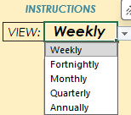

The selected frequency will also be indicated in the description on the SUMMARY, INCOME, SPENDING and SAVING sheets.

Review the budget information

Once the budget information has been entered, this information can be reviewed using the SUMMARY, INCOME, SPENDING and SAVING sheets. The SUMMARY sheet shows an overview of each category of the budget. The INCOME, SPENDING and SAVING sheets show a detailed view of each of these areas.

Use the buttons shown on each page to navigate between sheets.

SAVINGS - The budget worksheet allows for 9 Future Needs and Emergency accounts. Be sure to repeat the account name for each item that needs to be included, under the column "Input savings goal name".

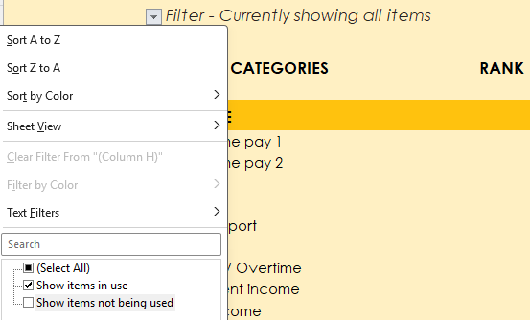

FILTERS - Once data has been entered into the budget worksheet in the desired income and expenditure rows, the expenditure items that are not required can be filtered out by utilising the filter options at the top of the page.

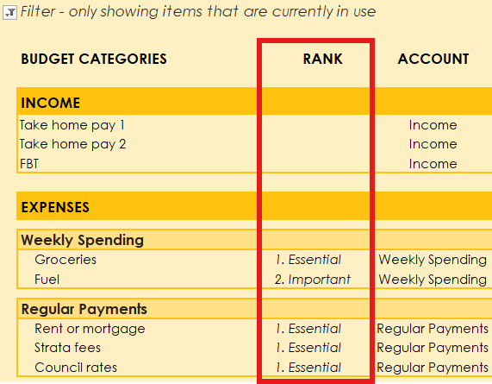

 | RANK - If it is helpful, a rank can be applied to items entered into the budget worksheet to assist with reviewing the budget once it has been completed.

Compatibility

The Hope Economy Budget worksheet has been developed using Microsoft 365. It is in the .xlsx format and should be compatible with Excel for Windows versions from 2007 to current. Please note, if using an older version of excel or a web view, the worksheet may not function as intended. Also, if the worksheet is being used in a preview mode and has not been downloaded, the worksheet may not function as intended.

Contact Hope Economy

If you have questions about the Budget Worksheet, need some assistance, or have some feedback email the team at communityandservices@hopeeconomy.org.au

BUDGET
SUMMARY
INCOME
SPENDING
SAVING
INSTRUCTIONS
 | BUILD A BUDGET
 | 31
 | Filter - Currently showing all items
Show items in use
Show items in use
Show items in use | BUDGET CATEGORIES | RANK | ACCOUNT | AMOUNT | FREQUENCY | VIEW: | Weekly
Show items in use
Show items in use | INCOME |  |  | $7,500 |  |  | $2,269
Show items in use | Take home pay 1 |  | Income | $5,000 | Monthly |  | $1,154
Show items in use | Take home pay 2 |  | Income | $2,000 | Fortnightly |  | $1,000
Show items in use | FBT |  | Income | $500 | Monthly |  | $115
Show items not being used | Benefit 2 |  | Income |  |  |  | $0
Show items not being used | Child support |  | Income |  |  |  | $0
Show items not being used | Board |  | Income |  |  |  | $0
Show items not being used | Bonuses / Overtime |  | Income |  |  |  | $0
Show items not being used | Investment income |  | Income |  |  |  | $0
Show items not being used | Other income |  | Income |  |  |  | $0
Show items in use
Show items in use | EXPENSES |  |  | $2,580 |  |  | $1,235
Show items in use
Show items in use | Weekly Spending |  |  | $330 |  |  | $330
Show items in use | Groceries | 1. Essential | Weekly Spending | $250 | Weekly |  | $250
Show items in use | Fuel | 2. Important | Weekly Spending | $80 | Weekly |  | $80
Show items not being used | Coffee / Tea |  | Weekly Spending |  |  |  | $0
Show items not being used | Eating out |  | Weekly Spending |  |  |  | $0
Show items not being used | Personal care / cosmetics |  | Weekly Spending |  |  |  | $0
Show items not being used | Parking |  | Weekly Spending |  |  |  | $0
Show items not being used | Public Transport |  | Weekly Spending |  |  |  | $0
Show items not being used | Recreation / Entertainment |  | Weekly Spending |  |  |  | $0
Show items not being used | Weekly medical costs |  | Weekly Spending |  |  |  | $0
Show items not being used | Cigarettes |  | Weekly Spending |  |  |  | $0
Show items not being used | Alcohol |  | Weekly Spending |  |  |  | $0
Show items not being used | Other |  | Weekly Spending |  |  |  | $0
Show items not being used | Other |  | Weekly Spending |  |  |  | $0
Show items not being used | Other |  | Weekly Spending |  |  |  | $0
Show items not being used | Other |  | Weekly Spending |  |  |  | $0
Show items in use
Show items in use | Regular Payments |  |  | $2,250 |  |  | $842
Show items in use | Rent or mortgage | 1. Essential | Regular Payments | $800 | Weekly |  | $800
Show items in use | Strata fees | 1. Essential | Regular Payments | $1,200 | Annually |  | $23
Show items in use | Council rates | 1. Essential | Regular Payments | $250 | Quarterly |  | $19
Show items not being used | Water |  | Regular Payments |  |  |  | $0
Show items not being used | Gas |  | Regular Payments |  |  |  | $0
Show items not being used | Electricity |  | Regular Payments |  |  |  | $0
Show items not being used | House and contents Insurance |  | Regular Payments |  |  |  | $0
Show items not being used | Furniture / appliance rental |  | Regular Payments |  |  |  | $0
Show items not being used | Other housing expenses |  | Regular Payments |  |  |  | $0
Show items not being used | Internet |  | Regular Payments |  |  |  | $0
Show items not being used | Home phone |  | Regular Payments |  |  |  | $0
Show items not being used | Mobile phone 1 |  | Regular Payments |  |  |  | $0
Show items not being used | Mobile phone 2 |  | Regular Payments |  |  |  | $0
Show items not being used | TV subscription |  | Regular Payments |  |  |  | $0
Show items not being used | Other media services |  | Regular Payments |  |  |  | $0
Show items not being used | Private health insurance |  | Regular Payments |  |  |  | $0
Show items not being used | Personal & life insurance |  | Regular Payments |  |  |  | $0
Show items not being used | Gym membership |  | Regular Payments |  |  |  | $0
Show items not being used | Sport membership |  | Regular Payments |  |  |  | $0
Show items not being used | Pharmacy account |  | Regular Payments |  |  |  | $0
Show items not being used | Other health expenses |  | Regular Payments |  |  |  | $0
Show items not being used | Car insurance |  | Regular Payments |  |  |  | $0
Show items not being used | Road tolls |  | Regular Payments |  |  |  | $0
Show items not being used | Other regular vehicle expenses |  | Regular Payments |  |  |  | $0
Show items not being used | School fees |  | Regular Payments |  |  |  | $0
Show items not being used | Education fees |  | Regular Payments |  |  |  | $0
Show items not being used | Child day care |  | Regular Payments |  |  |  | $0
Show items not being used | Child sports or clubs |  | Regular Payments |  |  |  | $0
Show items not being used | Pet insurance |  | Regular Payments |  |  |  | $0
Show items not being used | Pet food |  | Regular Payments |  |  |  | $0
Show items not being used | Other pet related expenses |  | Regular Payments |  |  |  | $0
Show items not being used | Other family expenses |  | Regular Payments |  |  |  | $0
Show items not being used | Child support payment |  | Regular Payments |  |  |  | $0
Show items not being used | Club membership |  | Regular Payments |  |  |  | $0
Show items not being used | Charitable giving |  | Regular Payments |  |  |  | $0
Show items not being used | Church tithe |  | Regular Payments |  |  |  | $0
Show items not being used | Bank fees |  | Regular Payments |  |  |  | $0
Show items not being used | Other regular payments |  | Regular Payments |  |  |  | $0
Show items not being used | Other regular payments |  | Regular Payments |  |  |  | $0
Show items not being used | Other regular payments |  | Regular Payments |  |  |  | $0
Show items not being used | Loans and debt min. repayments |  | Regular Payments |  |  |  | $0
Show items not being used | Loans and debt min. repayments |  | Regular Payments |  |  |  | $0
Show items not being used | Loans and debt min. repayments |  | Regular Payments |  |  |  | $0
Show items not being used | Loans and debt min. repayments |  | Regular Payments |  |  |  | $0
Show items not being used | Additional debt repayments |  | Regular Payments |  |  |  | $0
Show items not being used | Additional debt repayments |  | Regular Payments |  |  |  | $0
Show items not being used | Additional debt repayments |  | Regular Payments |  |  |  | $0
Show items in use
Show items in use | Savings: Future Needs and Emergencies |  | Input savings goal name (e.g. car expenses) | $1,740 |  |  | $63
Show items in use | Car registration and associated costs | 1. Essential | Car expenses | $500 | Annually |  | $10
Show items in use | Annual service | 2. Important | Car expenses | $600 | Annually |  | $12
Show items in use | Breakdown cover | 3. Nice to have | Car expenses | $200 | Annually |  | $4
Show items in use | Car maintenance | 2. Important | Car expenses | $300 | Annually |  | $6
Show items in use | Other vehicle related future needs | 2. Important | Car expenses | $50 | Monthly |  | $12
Show items in use | Christmas | 2. Important | Gifts | $50 | Monthly |  | $12
Show items in use | Birthdays | 2. Important | Gifts | $30 | Monthly |  | $7
Show items in use | Other gifts | 3. Nice to have | Gifts | $10 | Monthly |  | $2
Show items not being used | Clothing |  |  |  |  |  | $0
Show items not being used | Holiday travel |  |  |  |  |  | $0
...

SUMMARY
BUDGET
INCOME
SPENDING
SAVING
 | SUMMARY OF
 | ACCOUNTS

SUMMARY | WEEKLY

Income |  | $2,269

Spending |  | $1,172
Weekly Spending | $330
Regular Payments | $842

Savings Goals |  | $63
Car Expenses | $42
...

INCOME
BUDGET
SUMMARY
SAVING
SPENDING
INCOME

INCOME (WEEKLY) | $2,269
Take home pay 1 | $1,154
Take home pay 2 | $1,000
FBT | $115
Benefit 2 | $0
Child support | $0
Board | $0
Bonuses / Overtime | $0
Investment income | $0
Other income | $0

SPENDING
BUDGET
SUMMARY
INCOME
SAVING
SPENDING
WEEKLY AND REGULAR (WEEKLY)

WEEKLY SPENDING | $330 | REGULAR PAYMENTS | $842
Groceries | $250 | Rent or mortgage | $800
Fuel | $80 | Strata fees | $23
Coffee / Tea | $0 | Council rates | $19
Eating out | $0 | Water | $0
Personal care / cosmetics | $0 | Gas | $0
Parking | $0 | Electricity | $0
Public Transport | $0 | House and contents Insurance | $0
Recreation / Entertainment | $0 | Furniture / appliance rental | $0
Weekly medical costs | $0 | Other housing expenses | $0
...

SAVINGS
BUDGET
SUMMARY
INCOME
SPENDING
 | SAVINGS
 | FUTURE NEEDS AND EMERGENCIES (WEEKLY)

CAR EXPENSES | $42 | 2 | GIFTS | $21 | 3 | NOT IN USE | $0
Car registration and associated costs | $10 |  | Christmas | $12
Annual service | $12 |  | Birthdays | $7
Breakdown cover | $4 |  | Other gifts | $2
Car maintenance | $6
Other vehicle related future needs | $12
...

